Summary
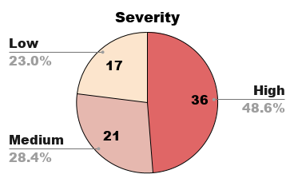
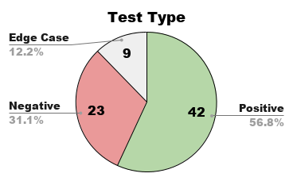
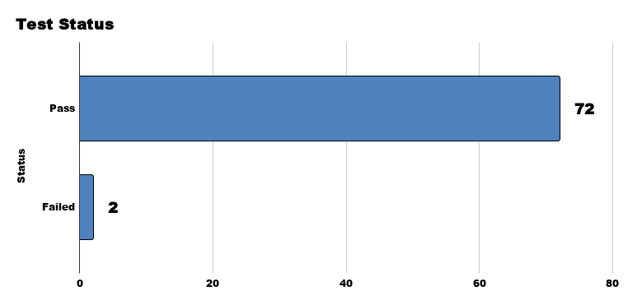
TEST CASES - PHARMATRACK

Customer-Facing E-Commerce Features | Manual Testing | Black-box Methodology

Test Cases - Pharmatrack
1.0
2026-04-07
Mohammad Waarits Harahap
MacBook 2015 | macOS 12.7 Monterey | Google Chrome 148.0.7778.168
Black-box Testing & Exploratory Testing

Module | Module Name | Total TC | Positive | Negative | Edge Case | Failed Test
M01 | Authentication | 15 | 7 | 6 | 2 | 1
M02 | Product Catalog & Search | 13 | 9 | 3 | 1 | 0
M03 | Product Details | 6 | 5 | 1 | 0 | 0
M04 | Shopping Cart | 13 | 7 | 4 | 2 | 0
M05 | Checkout Process | 11 | 5 | 4 | 2 | 1
M06 | Order History | 8 | 5 | 2 | 1 | 0
M07 | AI Chatbot | 8 | 4 | 3 | 1 | 0
 | TOTAL | 74 | 42 | 23 | 9 | 2

CHARTS

